Tumour size
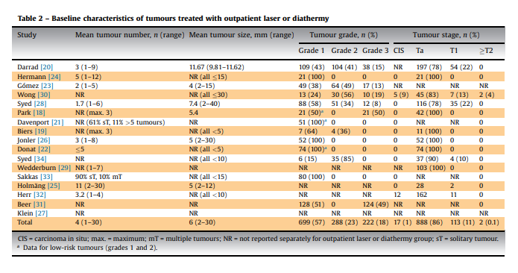
low risk NMIBC | <3cm | https://www.sciencedirect.com/science/article/pii/S0090429519304480?casa_token=dQT6CaKldMIAAAAA:Sn_RcAYyhUQIEDPcqL0JXAXxAYDp5osqVXW2n3crtFGkOJYVR9bNR3ot8u2Iivl-N-eTokUR

low risk NMIBC
 | Mean size cm | sd/se | mean age | country | sample | disease | study | Other info
Dutta 2021 | 3.4 | NR | 56.7 | India | 48 | Low-Grade Papillary Urothelial Carcinoma | A Single-Centre Retrospective Study | range: 1-9.3 cm
Arslankoz 2017 | 2.3 | NR | 61 | Turkey | 81 | Non-Invasive Low Grade Papillary Urothelial Carcinoma of Bladder | A Single-Centre Retrospective Study | range: 0.2-8 cm
Jeremy Yuen‑Chun Teoh 2021 | 2.37 | 1.35 | 71.3 | UK/Hong kong | 135 | The majority of the patients had Ta (63.0%) and grade 2 (55.1%) disease. Most patients have single tumours | a combined dataset of four surgeons (JYCT, KML, KLL and HM) from three hospitals |  | https://link.springer.com/article/10.1007/s00345-021-03675-9
Lipunova, 2019 | 2.5 | 1.9 | 70.2 | UK/Netherlands | 712 | NBCS, Ta=68%. Most patients have single tumours | extract of NBCS patients from a prospective cohort study
Patard, 2002 | 2 |  | 65.5 | France | 80 | pT1G3 bladder tumours. Most patients have single tumours | Retrospective cohort | these are initially treated patients. range: 4–80; median and not mean is reported
Rozan, 1992 | 2.9 | 0.55 | 62 | France | 205 | pT1 -47.8% (the largest group) | Cross-sectional
Malde 2021 | 0.6 |  |  |  | 1584 | Ta (86%) | Systematic review for outpatient diathermy and laser ablation for the treatment of recurrent NMIBC | 0.2-3 range
Finelli, 2004 | 8 and 9.6 |  | 58, 61 | USA | 47 | metastatic renal cell carcinoma | phase III trial

https://reader.elsevier.com/reader/sd/pii/S2405456921000432?token=DA9155998896BD3D6611FEF5FFFC3BBC1403198F44CE920193A3ACB1205090A09D479EF25A5BDE4A125E63B1EEC7BAAC&originRegion=eu-west-1&originCreation=20220131181554

Mean from the review is 0.6, mainly Ta (86%)
Range 0.2-3.0

Syed HA (2013)? In the UK, can't find it for free

